Cover
The Ace Archive Catalogue

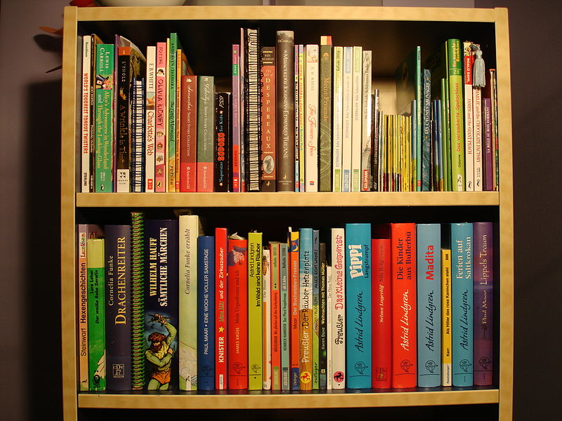
The ACE Archive is a collection of hardcopy and digital format documents that show ACE`s work throughout its history as a national body and includes documents from the regional arts bodies that were incorporated into ACE. There are reports, policies, publications and examples of the projects it has funded. The Archive is a resource for storing: A) Documents related to the running and organisation of ACE. B) Posterity Projects. Documents related to funded projects of particular interest C) ACE Publications. n.b. The ACE Archive does not house art, information on art, commentary or examination of artwork itself. Documents from the ACGB are now kept by the V&A museum and materials related to film have been passed to the BFI. To view any of the material please search the ACE Archive Catalogue and contact the Information team with your request. A number of documents, and much of the contemporary content is available digitally. If you wish to reproduce any content from the ACE Archive do please submit a copyright request. Please note there is no capacity for the lending of hardcopy content though access or the creation of digital versions will be considered in rare circumstances.

Last updated: 27th September 2016

